Sheet1
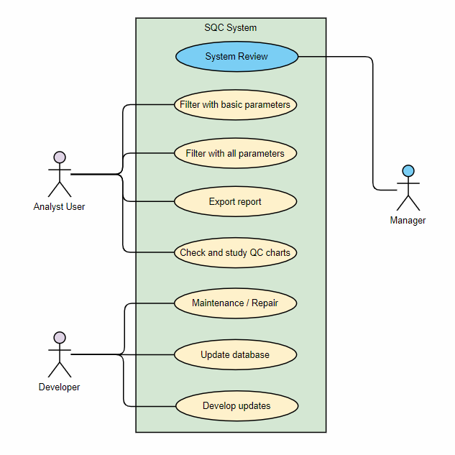
Use Case ID: | Use Case Name: | Primary Actor | Complexity | Priority
1 | Filter with basic parameters | user | Med | 1
2 | Filter with all parameters | user | Med | 2
3 | Export report | user | Low | 3

Name of use case: | SQC
Created by: | Ala'a Osama | Amira Mahmoud | Rokaia Mohammed | Salma Atia
Date Created: | 2021-09-08 |  | Last updated: | 2021-09-09
Use Case ID: | UseCase 1
Description: | Analyst filters data with basic parameters to plot control chart
Actors: | Analysts
 | Managers
Preconditions: | Database with required parameters
 | Analyzers connected to the system
 | Stable network connection
Postconditions: | Display QC charts
 | Display QC calculations
 | Database is successfully updated
 | Results can be exported as a report
Flow: | 1. Choose analyzer name / code
 | 2. Choose test name / code
 | 3. Select period of time
 | 4. Click calculate and plot button
 | 5. Display target values (target mean, target sd)
 | 6. Display statistical actual calculations (mean, sd, cv, ewma, cusum)
 | 7. Plot quality control chart
 | 8. Automatically update the target values with the calculated values
Exceptions: | 4. Missing required essential data
 | 1. Display error message to provide the missing info

